Sheet1
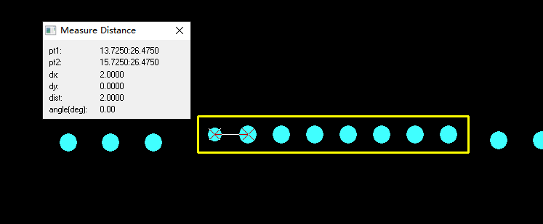
T-1L33W373821A-BOM清单
No. Item | 捷创ID | 型号 Mfg Part | 封装 Package/Footprint | 规格参数 Description / Value | 位号 Designator | 单板用量 Qty per board | 总量 Total Qty | 来料数量 Qty Received | 物料备注 Instructions / Notes | 不良原因 Assembly Question | 是否全部空贴 | 是否少料空贴 | 是否按来料贴 | 是否等补料 | 客户回复 Reply from Customer
1 | W228535-001 | CC0805KRX7R8BB104 | 0805 |  | C2 | 1 | 5 | 50
2 | W228535-002 | CC0805KRX5R6BB475 | 0805 |  | C3 | 1 | 5 | 10
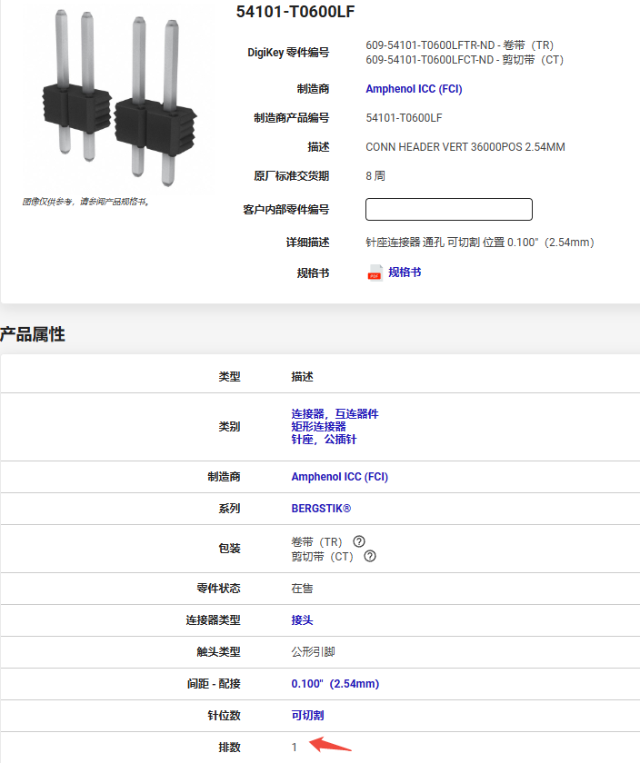
3 | W228535-003 | 54101-T0600LF |  |  | CN1,CN2 | 2 | 10 | 0 | 【敏感元器件】：需要掰开使用，请跟工厂确认费用。 | The received male pin header can not match with the holes designed on board dur to the different pitch, please advise for the correct part number. | 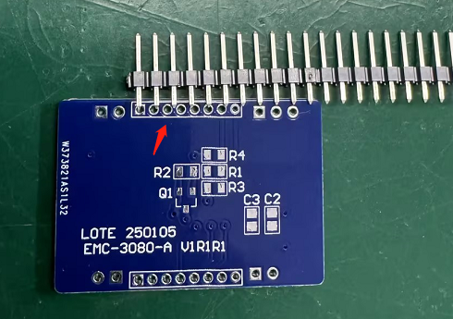 |  |  |  | You may use the DZ200R-11-08-39 from LCSC, or any equivalent component you have in stock. | 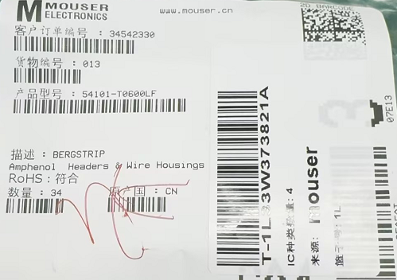 |  | 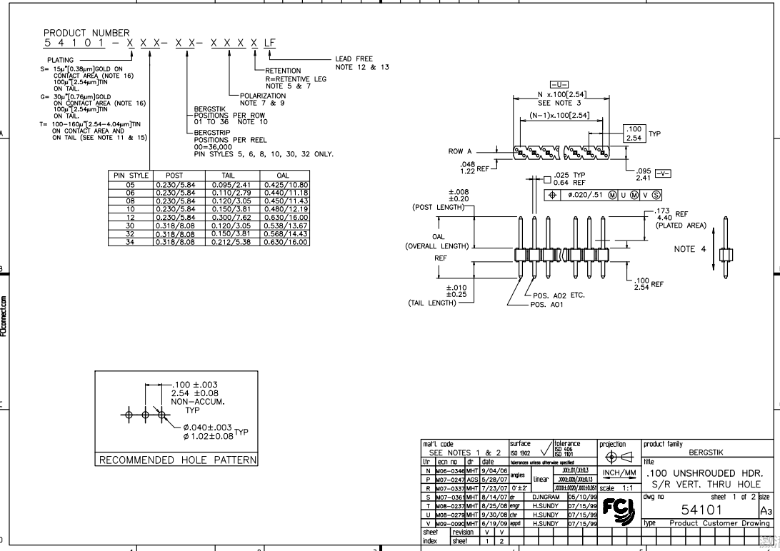
4 | W228535-004 | 54101-T0600LF |  |  | CN3,CN4,CN5 | 3 | 15 | 17 | 【敏感元器件】：需要掰开使用，请跟工厂确认费用。 | For designators CN3,CN4 and CN5, they need 1*2P, while J1 needs 1*3P, we have receicved several 1*2P, one 1*4P and one 1*20P, please advise if you need us to separate the pin header into the required ones or we should change to use another part? | 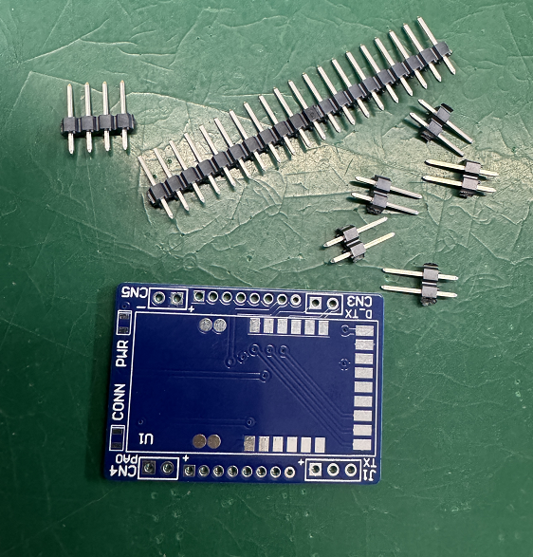 |  |  |  | You can separate the pin header into the required ones. | 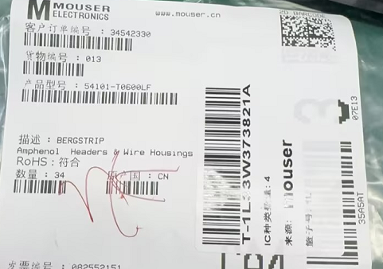
5 | W228535-005 | 54101-T0600LF |  |  | J1 | 1 | 5 | 0 | 【敏感元器件】：需要掰开使用，请跟工厂确认费用。
6 | W228535-006 | 17-21SURC/S530-A2/TR8 |  |  | LD1 | 1 | 5 | 20
7 | W228535-007 | 17-21/BHC-XL2M2TY/4T |  |  | LD2 | 1 | 5 | 20 | we will supply is 17-21/BHC-XL2M2TY/4T,OK? please confirm
8 | W228535-008 | DMG3401LSN-7 |  |  | Q1 | 1 | 5 | 10
9 | W228535-009 | RC0805FR-071KL | 0805 |  | R1 | 1 | 5 | 50
10 | W228535-010 | RC0805FR-071ML | 0805 |  | R2 | 1 | 5 | 50
11 | W228535-011 | RC0805FR-072K2L | 0805 |  | R3,R4 | 2 | 10 | 50
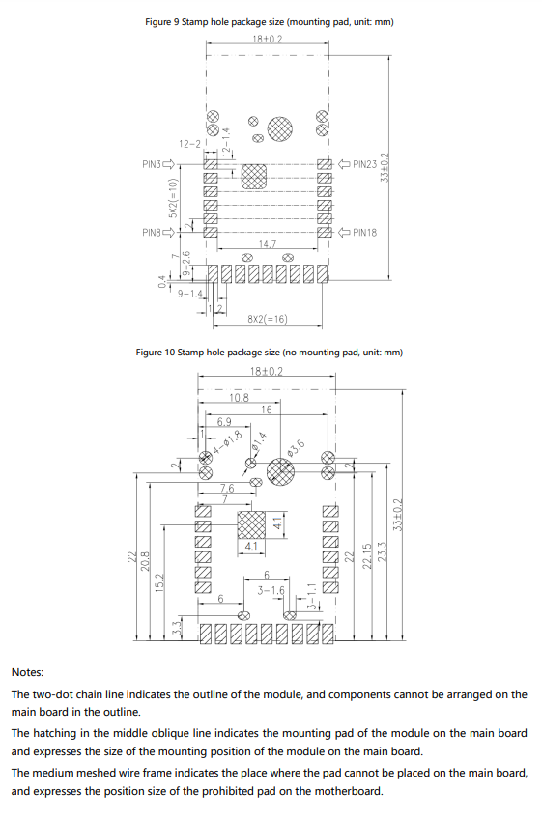
12 | W228535-012 | 113990975 |  |  | U1 | 1 | 5 | 5 |  | The received part has extra solder joint that can not match with the board well, please advise if we still can solder it on board? | 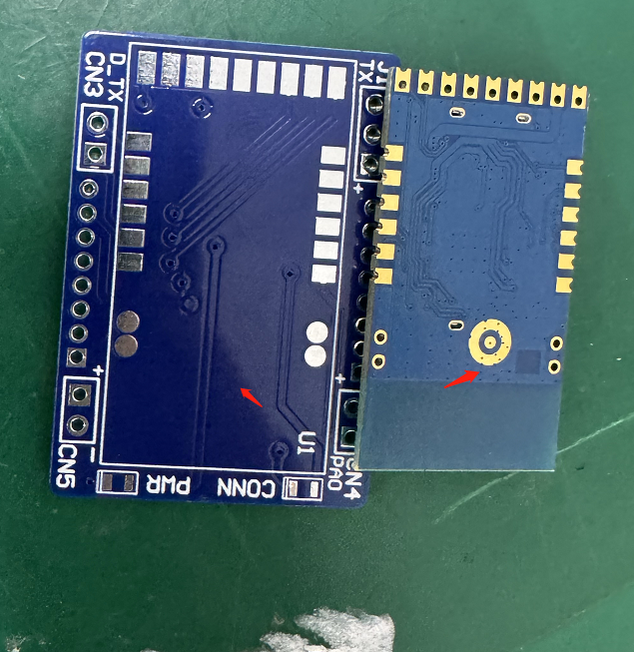 |  |  |  | Yes, you can still solder it. | 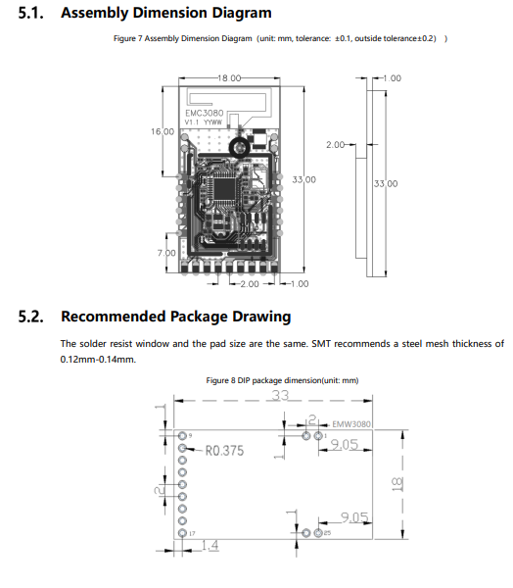 | 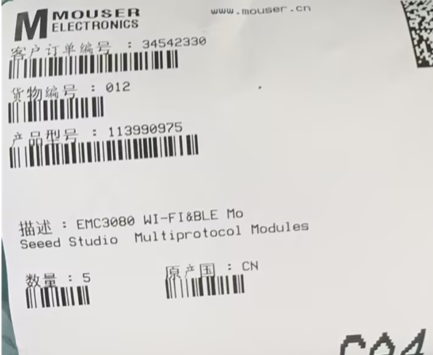
IQC备注

